Test Plan
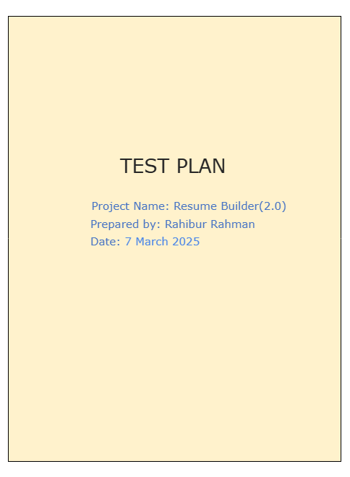
Click to See the Test Plan

Bug Report
 | Bug Report
 | Project name | Resume Builder
 | Created by | Rahibur Rahman
 | Version | 2.0
 | Tester name | Rahibur Rahman

Bug Id | Test_Scenario Id | Test case id | Description/Summary | Screenshot | Steps to Reproduce | Expected Result | Actual Result | Severity | Priority
Bug_1 | TS_001 | Test case id 003 | while Validate Registering an Account by providing the existing account details (i.e. existing email address) After Clicking register button it Should display an alert email already existed But it displayed an alert invalid username or password But didnot displayed | 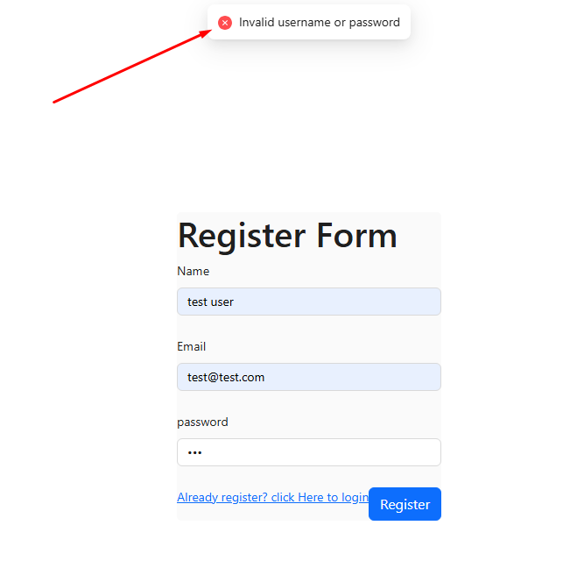 | 1. Open Register User page 2. Enter new Account Details into the Mandatory Fields (Name, Existing E-Mail, Password) 3. Click on 'Register' button | After Clicking register button it Should display an alert email already existed | displayed an alert "invalid username or password" But didnot displayed Expected Result | Critical | P1 (Medium)
Bug_2 | TS_001 | Test case id 005 | Validate all the fields in the Register Account page have the proper placeholders but Place holders are missing | 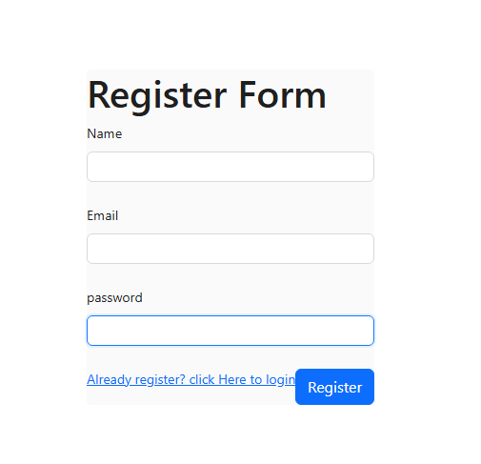 | 1. Goto Register Page 2. Click on 'Register' option 3. View the name, Email,Password have place holders | All the fields Should have placeholders | but Place holders are missing | Minor | P2(low)
Bug_3 | TS_002 | Test case id 007 | Validate all the fields in the Login page have the proper placeholders but Place holders are missing | 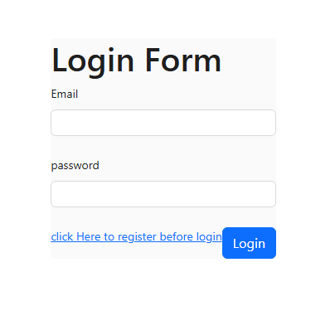 | 1. Goto login Page 2. Click on 'login' option 3. View the name, Email,Password have place holders | All the fields Should have placeholders | but Place holders are missing | Minor | P2(low)

